GPS1
Raw GPS | B6 (Binary Classification) | Adel13A_1.csv |  | 0 | 1 |  | GPS Eval. | Building name: | Adelheid Str 13 A
7 | 0 |  |  | outdoor | indoor
7 | 0
12 | 0
16 | 0 |  | Raw | Magnetic
16 | 0 |  | flags | Binary classification result
8 | 0
12 | 0
12 | 0 |  | n= 367 |  | indoor | outdoor | SUM |  |  | Ground Truth
12 | 0 |  |  |  | T | F |  |  |  | 167 | 303
12 | 0 |  | indoor | T | 116 | 20 | 136 | sum | 367
16 | 0 |  | outdoor | F | 17 | 214 | 231
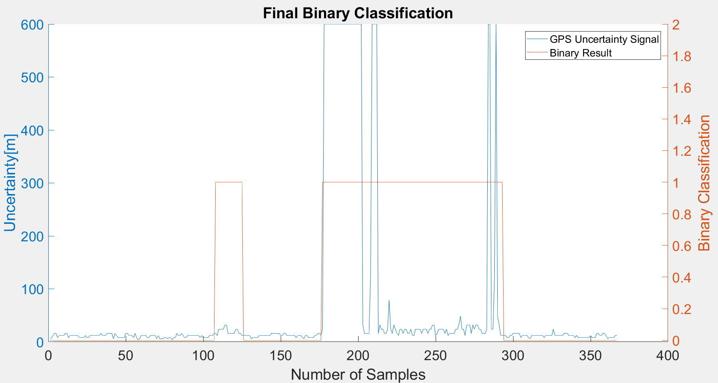
16 | 0 |  | SUM |  | 133 | 234
8 | 0
12 | 0 |  |  |  | sum | 367
12 | 0
12 | 0 |  | TP or (Recall) | 0.85294117647
12 | 0 |  | TN | 0.92640692641
12 | 0 |  | Precision | 0.87218045113
12 | 0 |  | Accuracy | 0.89918256131
8 | 0 |  | F Score | 0.8624535316
8 | 0
8 | 0
8 | 0 |  | Ground truth: | large edges of GPS at entrances.
12 | 0
8 | 0
8 | 0
12 | 0
12 | 0
12 | 0
12 | 0
12 | 0
12 | 0
12 | 0
16 | 0
12 | 0
12 | 0
12 | 0
16 | 0
16 | 0
16 | 0
16 | 0
6 | 0
16 | 0
12 | 0
8 | 0
8 | 0
8 | 0
8 | 0
8 | 0
16 | 0
16 | 0
12 | 0
12 | 0
12 | 0
8 | 0
16 | 0
8 | 0
4 | 0
6 | 0
12 | 0
12 | 0
12 | 0
12 | 0
8 | 0
8 | 0
12 | 0
12 | 0
12 | 0
12 | 0
6 | 0
12 | 0
6 | 0
6 | 0
6 | 0
8 | 0
8 | 0
6 | 0
8 | 0
8 | 0
4 | 0
8 | 0
8 | 0
16 | 0
12 | 0
12 | 0
16 | 0
12 | 0
8 | 0
8 | 0
12 | 0
12 | 0
12 | 0
12 | 0
12 | 0
12 | 0
12 | 0
12 | 0
8 | 0
12 | 0
8 | 0
8 | 0
8 | 0
8 | 0
12 | 0
12 | 0
12 | 0
16 | 0
16 | 1
12 | 1
24 | 1
24 | 1
24 | 1
24 | 1
32 | 1
32 | 1
16 | 1
16 | 1
16 | 1
16 | 1
16 | 1
24 | 1
24 | 1
16 | 1
16 | 1
12 | 1
12 | 0
12 | 0
12 | 0
12 | 0
12 | 0
6 | 0
8 | 0
8 | 0
8 | 0
8 | 0
12 | 0
12 | 0
12 | 0
12 | 0
12 | 0
12 | 0
12 | 0
12 | 0
16 | 0
16 | 0
16 | 0
16 | 0
16 | 0
16 | 0
12 | 0
12 | 0
16 | 0
16 | 0
12 | 0
12 | 0
12 | 0
12 | 0
12 | 0
12 | 0
8 | 0
12 | 0
12 | 0
12 | 0
8 | 0
6 | 0
12 | 0
12 | 0
8 | 0
8 | 0
8 | 0
8 | 0
12 | 0
12 | 0
16 | 0
16 | 0
12 | 0
24 | 1
600 | 1
600 | 1
600 | 1
600 | 1
600 | 1
600 | 1
600 | 1
600 | 1
600 | 1
600 | 1
600 | 1
600 | 1
600 | 1
600 | 1
600 | 1
600 | 1
600 | 1
600 | 1
600 | 1
600 | 1
600 | 1
600 | 1
600 | 1
600 | 1
600 | 1
32 | 1
16 | 1
16 | 1
16 | 1
16 | 1
121.19599915 | 1
600 | 1
600 | 1
600 | 1
600 | 1
16 | 1
32 | 1
24 | 1
24 | 1
16 | 1
16 | 1
24 | 1
78.466003418 | 1
24 | 1
16 | 1
32 | 1
24 | 1
16 | 1
12 | 1
24 | 1
24 | 1
16 | 1
24 | 1
24 | 1
16 | 1
16 | 1
24 | 1
12 | 1
12 | 1
24 | 1
24 | 1
24 | 1
24 | 1
16 | 1
24 | 1
24 | 1
24 | 1
16 | 1
24 | 1
24 | 1
32 | 1
32 | 1
12 | 1
16 | 1
24 | 1
24 | 1
24 | 1
24 | 1
16 | 1
24 | 1
12 | 1
16 | 1
16 | 1
16 | 1
16 | 1
24 | 1
24 | 1
32 | 1
48.416999817 | 1
24 | 1
24 | 1
12 | 1
32 | 1
32 | 1
32 | 1
16 | 1
32 | 1
24 | 1
32 | 1
32 | 1
24 | 1
24 | 1
16 | 1
16 | 1
16 | 1
24 | 1
600 | 1
600 | 1
24 | 1
24 | 1
120.44400024 | 1
600 | 1
48 | 1
32 | 1
12 | 1
12 | 1
12 | 0
12 | 0
8 | 0
8 | 0
12 | 0
12 | 0
16 | 0
16 | 0
16 | 0
16 | 0
16 | 0
8 | 0
12 | 0
12 | 0
12 | 0
12 | 0
8 | 0
6 | 0
12 | 0
12 | 0
12 | 0
12 | 0
12 | 0
12 | 0
12 | 0
12 | 0
8 | 0
12 | 0
12 | 0
12 | 0
12 | 0
12 | 0
24 | 0
12 | 0
12 | 0
12 | 0
12 | 0
12 | 0
12 | 0
16 | 0
16 | 0
16 | 0
12 | 0
12 | 0
12 | 0
12 | 0
8 | 0
12 | 0
8 | 0
8 | 0
8 | 0
8 | 0
8 | 0
8 | 0
8 | 0
8 | 0
12 | 0
8 | 0
8 | 0
8 | 0
16 | 0
16 | 0
12 | 0
12 | 0
16 | 0
16 | 0
12 | 0
6 | 0
8 | 0
8 | 0
8 | 0
8 | 0
12 | 0
12 | 0

GPS2
Raw GPS | B6 (Binary Classification) | Adel13A_2.csv |  | 0 | 1 |  | GPS Eval. | Building name: | Adelheid Str 13 A
7 | 0 |  |  | outdoor | indoor
7 | 0
12 | 0
24 | 0 |  | Raw | Magnetic
24 | 0 |  | flags | Binary classification result
16 | 0 |  |  |  |  |  |  |  |  | Ground Truth
24 | 0 |  |  |  |  |  |  |  |  | 85 | 340
16 | 0 |  | n= 432 |  | indoor | outdoor | SUM
16 | 0 |  |  |  | T | F
16 | 0 |  | indoor | T | 247 | 8 | 255 | sum | 432
16 | 0 |  | outdoor | F | 0 | 177 | 177
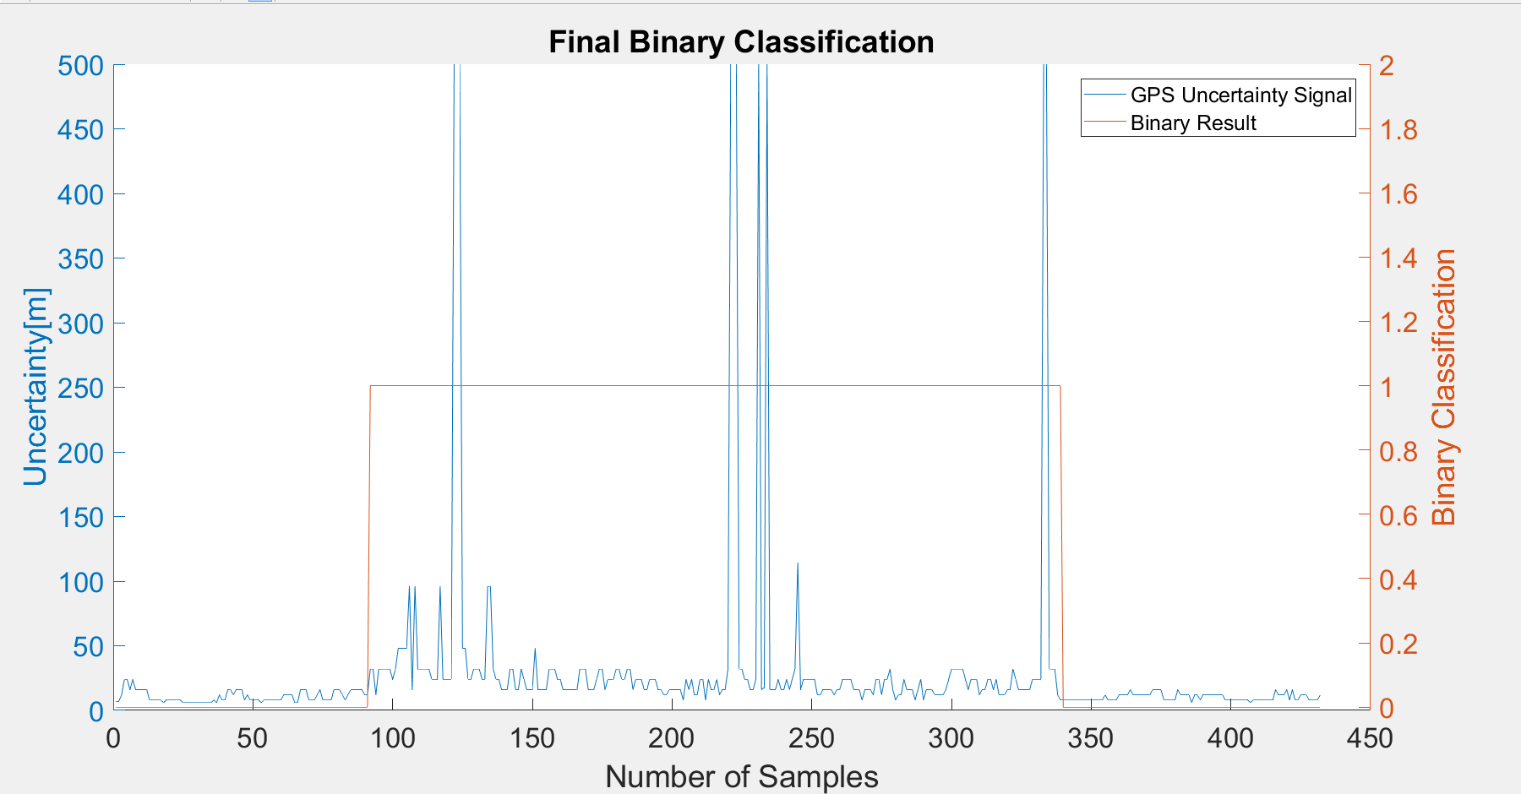
16 | 0 |  | SUM |  | 247 | 185
8 | 0
8 | 0 |  |  |  | sum | 432
8 | 0
8 | 0 |  | TP or (Recall) | 0.96862745098
8 | 0 |  | TN | 1
6 | 0 |  | Precision | 1
8 | 0 |  | Accuracy | 0.98148148148
8 | 0 |  | F Score | 0.98406374502
8 | 0
8 | 0
8 | 0 |  | Ground truth: | large edges of GPS at entrances
8 | 0
6 | 0
6 | 0
6 | 0
6 | 0
6 | 0
6 | 0
6 | 0
6 | 0
6 | 0
6 | 0
6 | 0
8 | 0
6 | 0
12 | 0
8 | 0
8 | 0
16 | 0
16 | 0
12 | 0
16 | 0
16 | 0
16 | 0
8 | 0
12 | 0
8 | 0
8 | 0
8 | 0
8 | 0
6 | 0
8 | 0
8 | 0
8 | 0
8 | 0
8 | 0
8 | 0
8 | 0
12 | 0
12 | 0
12 | 0
12 | 0
6 | 0
6 | 0
16 | 0
16 | 0
16 | 0
8 | 0
8 | 0
8 | 0
12 | 0
16 | 0
8 | 0
8 | 0
8 | 0
8 | 0
16 | 0
16 | 0
16 | 0
12 | 0
8 | 0
12 | 0
16 | 0
16 | 0
16 | 0
16 | 0
16 | 0
12 | 0
12 | 0
32 | 1
32 | 1
12 | 1
32 | 1
32 | 1
32 | 1
32 | 1
32 | 1
24 | 1
32 | 1
48 | 1
48 | 1
48 | 1
48 | 1
96 | 1
16 | 1
96 | 1
32 | 1
32 | 1
32 | 1
32 | 1
32 | 1
24 | 1
24 | 1
24 | 1
96 | 1
24 | 1
24 | 1
24 | 1
24 | 1
500 | 1
500 | 1
500 | 1
48 | 1
48 | 1
24 | 1
24 | 1
32 | 1
32 | 1
32 | 1
24 | 1
24 | 1
96 | 1
96 | 1
32 | 1
24 | 1
24 | 1
16 | 1
16 | 1
16 | 1
32 | 1
32 | 1
16 | 1
16 | 1
32 | 1
24 | 1
16 | 1
16 | 1
16 | 1
48 | 1
16 | 1
16 | 1
16 | 1
16 | 1
32 | 1
32 | 1
32 | 1
24 | 1
24 | 1
16 | 1
16 | 1
16 | 1
16 | 1
16 | 1
16 | 1
32 | 1
32 | 1
32 | 1
16 | 1
16 | 1
16 | 1
24 | 1
32 | 1
32 | 1
16 | 1
24 | 1
24 | 1
24 | 1
32 | 1
32 | 1
24 | 1
24 | 1
32 | 1
32 | 1
16 | 1
24 | 1
24 | 1
24 | 1
16 | 1
16 | 1
24 | 1
24 | 1
24 | 1
16 | 1
16 | 1
12 | 1
12 | 1
16 | 1
16 | 1
16 | 1
16 | 1
16 | 1
8 | 1
24 | 1
16 | 1
24 | 1
12 | 1
12 | 1
24 | 1
24 | 1
8 | 1
24 | 1
16 | 1
16 | 1
24 | 1
12 | 1
16 | 1
16 | 1
32 | 1
500 | 1
500 | 1
500 | 1
32 | 1
32 | 1
24 | 1
24 | 1
16 | 1
16 | 1
24 | 1
500 | 1
16 | 1
17.587999344 | 1
500 | 1
16 | 1
16 | 1
16 | 1
24 | 1
16 | 1
16 | 1
24 | 1
16 | 1
24 | 1
32 | 1
114.33599854 | 1
16 | 1
24 | 1
24 | 1
24 | 1
24 | 1
24 | 1
12 | 1
12 | 1
16 | 1
16 | 1
16 | 1
16 | 1
12 | 1
16 | 1
16 | 1
24 | 1
24 | 1
24 | 1
24 | 1
16 | 1
16 | 1
16 | 1
8 | 1
16 | 1
16 | 1
16 | 1
12 | 1
24 | 1
24 | 1
12 | 1
24 | 1
24 | 1
32 | 1
16 | 1
8 | 1
12 | 1
12 | 1
24 | 1
16 | 1
16 | 1
16 | 1
8 | 1
16 | 1
24 | 1
8 | 1
16 | 1
16 | 1
16 | 1
12 | 1
12 | 1
12 | 1
12 | 1
16 | 1
24 | 1
32 | 1
32 | 1
32 | 1
32 | 1
32 | 1
24 | 1
16 | 1
24 | 1
24 | 1
24 | 1
12 | 1
16 | 1
16 | 1
24 | 1
24 | 1
16 | 1
24 | 1
12 | 1
12 | 1
12 | 1
16 | 1
16 | 1
32 | 1
24 | 1
16 | 1
16 | 1
16 | 1
16 | 1
16 | 1
24 | 1
24 | 1
24 | 1
24 | 1
500 | 1
500 | 1
32 | 1
32 | 1
32 | 1
12 | 1
8 | 1
8 | 0
8 | 0
8 | 0
8 | 0
8 | 0
8 | 0
8 | 0
8 | 0
8 | 0
8 | 0
8 | 0
8 | 0
8 | 0
8 | 0
8 | 0
12 | 0
8 | 0
8 | 0
8 | 0
8 | 0
12 | 0
12 | 0
12 | 0
12 | 0
16 | 0
12 | 0
12 | 0
12 | 0
12 | 0
12 | 0
12 | 0
12 | 0
16 | 0
16 | 0
16 | 0
16 | 0
8 | 0
8 | 0
8 | 0
8 | 0
8 | 0
16 | 0
12 | 0
12 | 0
12 | 0
12 | 0
6 | 0
12 | 0
12 | 0
8 | 0
12 | 0
12 | 0
12 | 0
12 | 0
12 | 0
12 | 0
12 | 0
12 | 0
8 | 0
8 | 0
8 | 0
8 | 0
8 | 0
8 | 0
8 | 0
8 | 0
8 | 0
6 | 0
8 | 0
8 | 0
8 | 0
8 | 0
8 | 0
8 | 0
8 | 0
8 | 0
16 | 0
12 | 0
12 | 0
12 | 0
16 | 0
8 | 0
16 | 0
8 | 0
8 | 0
12 | 0
12 | 0
12 | 0
8 | 0
8 | 0
8 | 0
8 | 0
12 | 0

GPS3
Raw GPS | B6 (Binary Classification) | Adel13A_3.csv |  | 0 | 1 |  | GPS Eval. | Building name: | Adelheid Str 13 A
7 | 0 |  |  | outdoor | indoor
7 | 0
16 | 0
12 | 0 |  | Raw | Magnetic
12 | 0 |  | flags | Binary classification result |  |  |  |  |  | Ground Truth
8 | 0 |  |  |  |  |  |  |  |  | 79 | 205
8 | 0
8 | 0 |  | n= 251 |  | indoor | outdoor | SUM
6 | 0 |  |  |  | T | F
6 | 0 |  | indoor | T | 118 | 8 | 126 | sum | 251
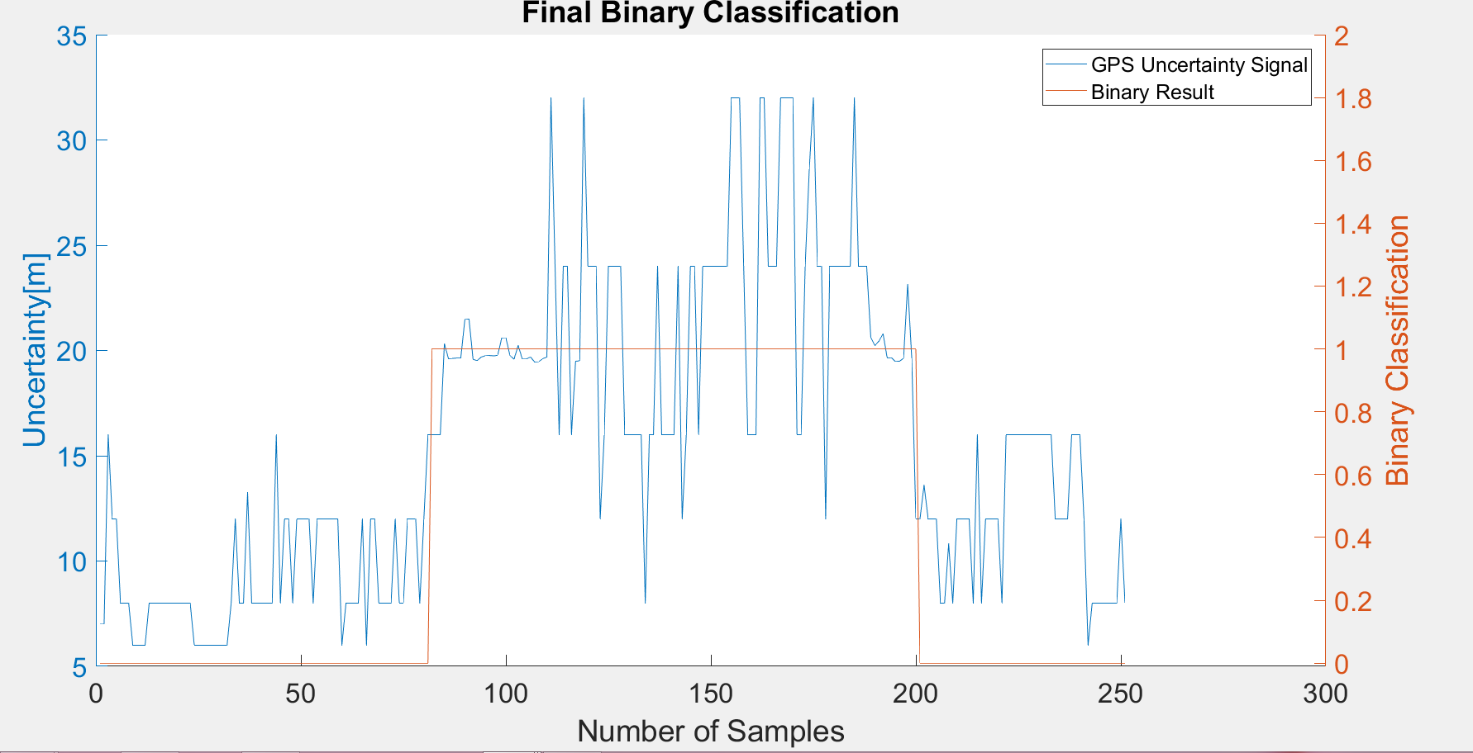
6 | 0 |  | outdoor | F | 0 | 125 | 125
6 | 0 |  | SUM |  | 118 | 133
8 | 0
8 | 0 |  |  |  | sum | 251
8 | 0
8 | 0 |  | TP or (Recall) | 0.93650793651
8 | 0 |  | TN | 1
8 | 0 |  | Precision | 1
8 | 0 |  | Accuracy | 0.96812749004
8 | 0 |  | F Score | 0.96721311475
8 | 0
8 | 0
8 | 0 |  | Ground truth: | large edges of GPS at entrances
6 | 0
6 | 0
6 | 0
6 | 0
6 | 0
6 | 0
6 | 0
6 | 0
6 | 0
8 | 0
12 | 0
8 | 0
8 | 0
13.244000435 | 0
8 | 0
8 | 0
8 | 0
8 | 0
8 | 0
8 | 0
16 | 0
8 | 0
12 | 0
12 | 0
8 | 0
12 | 0
12 | 0
12 | 0
12 | 0
8 | 0
12 | 0
12 | 0
12 | 0
12 | 0
12 | 0
12 | 0
6 | 0
8 | 0
8 | 0
8 | 0
8 | 0
12 | 0
6 | 0
12 | 0
12 | 0
8 | 0
8 | 0
8 | 0
8 | 0
12 | 0
8 | 0
8 | 0
12 | 0
12 | 0
12 | 0
8 | 0
12 | 0
16 | 0
16 | 1
16 | 1
16 | 1
20.326000214 | 1
19.611000061 | 1
19.625999451 | 1
19.63999939 | 1
19.63999939 | 1
21.472999573 | 1
21.493000031 | 1
19.576000214 | 1
19.517999649 | 1
19.691999435 | 1
19.746999741 | 1
19.76099968 | 1
19.745000839 | 1
19.770000458 | 1
20.604000092 | 1
20.607000351 | 1
19.760000229 | 1
19.586999893 | 1
20.246999741 | 1
19.593000412 | 1
19.593999863 | 1
19.690999985 | 1
19.454999924 | 1
19.468999863 | 1
19.6060009 | 1
19.694000244 | 1
32 | 1
24 | 1
16 | 1
24 | 1
24 | 1
16 | 1
19.483999252 | 1
19.517000198 | 1
32 | 1
24 | 1
24 | 1
24 | 1
12 | 1
16 | 1
24 | 1
24 | 1
24 | 1
24 | 1
16 | 1
16 | 1
16 | 1
16 | 1
16 | 1
8 | 1
16 | 1
16 | 1
24 | 1
16 | 1
16 | 1
16 | 1
16 | 1
24 | 1
12 | 1
16 | 1
24 | 1
24 | 1
16 | 1
24 | 1
24 | 1
24 | 1
24 | 1
24 | 1
24 | 1
24 | 1
32 | 1
32 | 1
32 | 1
24 | 1
16 | 1
16 | 1
16 | 1
32 | 1
32 | 1
24 | 1
24 | 1
24 | 1
32 | 1
32 | 1
32 | 1
32 | 1
16 | 1
16 | 1
24 | 1
28.61700058 | 1
32 | 1
24 | 1
24 | 1
12 | 1
24 | 1
24 | 1
24 | 1
24 | 1
24 | 1
24 | 1
32 | 1
24 | 1
24 | 1
24 | 1
20.621999741 | 1
20.233999252 | 1
20.447000504 | 1
20.799999237 | 1
19.650999069 | 1
19.656000137 | 1
19.479000092 | 1
19.490999222 | 1
19.628000259 | 1
23.1439991 | 1
19.618000031 | 1
12 | 1
12 | 0
13.604999542 | 0
12 | 0
12 | 0
12 | 0
8 | 0
8 | 0
10.819000244 | 0
8 | 0
12 | 0
12 | 0
12 | 0
12 | 0
8 | 0
16 | 0
8 | 0
12 | 0
12 | 0
12 | 0
12 | 0
8 | 0
16 | 0
16 | 0
16 | 0
16 | 0
16 | 0
16 | 0
16 | 0
16 | 0
16 | 0
16 | 0
16 | 0
16 | 0
12 | 0
12 | 0
12 | 0
12 | 0
16 | 0
16 | 0
16 | 0
12 | 0
6 | 0
8 | 0
8 | 0
8 | 0
8 | 0
8 | 0
8 | 0
8 | 0
12 | 0
8 | 0

GPS4
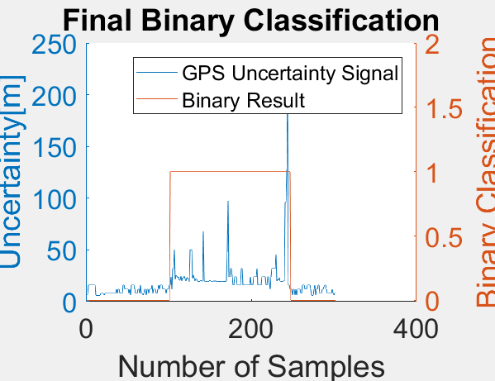
Raw GPS | B6 (Binary Classification) | Adel13A_4.csv |  | 0 | 1 |  | GPS Eval. | Building name: | Adelheid Str 13 A
7 | 0 |  |  | outdoor | indoor
7 | 0
16 | 0
16 | 0 |  | Raw | Magnetic
16 | 0 |  | flags | Binary classification result
16 | 0
16 | 0 |  |  |  |  |  |  | Ground Truth
16 | 0 |  | n=302 |  | indoor | outdoor | SUM | 97 | 250
16 | 0 |  |  |  | T | F
16 | 0 |  | indoor | T | 145 | 8 | 153 | sum | 302
16 | 0 |  | outdoor | F | 0 | 149 | 149
6 | 0 |  | SUM |  | 145 | 157
6 | 0
6 | 0 |  |  |  | sum | 302
6 | 0
6 | 0 |  | TP or (Recall) | 0.9477124183
6 | 0 |  | TN | 1
8 | 0 |  | Precision | 1
8 | 0 |  | Accuracy | 0.97350993377
8 | 0 |  | F Score | 0.97315436242
8 | 0
6 | 0
8 | 0 |  | Ground truth: | large edges of GPS at entrances
8 | 0
8 | 0
8 | 0
8 | 0
8 | 0
8 | 0
8 | 0
8 | 0
8 | 0
8 | 0
8 | 0
8 | 0
8 | 0
12 | 0
8 | 0
12 | 0
12 | 0
8 | 0
8 | 0
8 | 0
8 | 0
16 | 0
16 | 0
12 | 0
12 | 0
12 | 0
12 | 0
12 | 0
8 | 0
12 | 0
6 | 0
16 | 0
16 | 0
16 | 0
16 | 0
12 | 0
8 | 0
8 | 0
8 | 0
12 | 0
12 | 0
8 | 0
16 | 0
8 | 0
8 | 0
6 | 0
8 | 0
12 | 0
12 | 0
6 | 0
12 | 0
12 | 0
8 | 0
12 | 0
12 | 0
12 | 0
16 | 0
8 | 0
12 | 0
12 | 0
12 | 0
8 | 0
8 | 0
12 | 0
16 | 0
12 | 0
16 | 0
16 | 0
16 | 0
12 | 0
12 | 0
12 | 0
12 | 0
8 | 0
12 | 0
12 | 0
12 | 0
16 | 0
16 | 1
24 | 1
12 | 1
32 | 1
32 | 1
50 | 1
21.531999588 | 1
25.226999283 | 1
24.903999329 | 1
22.930999756 | 1
24.25 | 1
20.666000366 | 1
21.118000031 | 1
24.594999313 | 1
19.711000443 | 1
22.933000565 | 1
22.934000015 | 1
24.372999191 | 1
21.777999878 | 1
19.631999969 | 1
23.135000229 | 1
23.25 | 1
21.652999878 | 1
19.49200058 | 1
50 | 1
50 | 1
50 | 1
22.319999695 | 1
25.716999054 | 1
22.635000229 | 1
19.709999084 | 1
22.260000229 | 1
21.846000671 | 1
19.599000931 | 1
19.561000824 | 1
19.580999374 | 1
19.607000351 | 1
20.416000366 | 1
19.982000351 | 1
19.707000732 | 1
67.728996277 | 1
20.340000153 | 1
19.652999878 | 1
19.615999222 | 1
19.645999908 | 1
19.74200058 | 1
19.708999634 | 1
19.732000351 | 1
20.61000061 | 1
19.760000229 | 1
19.732000351 | 1
19.73500061 | 1
19.749000549 | 1
19.982999802 | 1
19.700000763 | 1
19.976999283 | 1
19.704999924 | 1
19.593999863 | 1
19.73800087 | 1
19.600000381 | 1
19.593999863 | 1
19.600999832 | 1
19.694000244 | 1
19.695999146 | 1
19.601999283 | 1
19.542999268 | 1
19.555000305 | 1
19.443000793 | 1
19.586000443 | 1
48 | 1
97.807998657 | 1
24 | 1
24 | 1
32 | 1
32 | 1
24 | 1
16 | 1
16 | 1
24 | 1
24 | 1
24 | 1
16 | 1
16 | 1
16 | 1
16 | 1
16 | 1
32 | 1
32 | 1
16 | 1
16 | 1
16 | 1
16 | 1
16 | 1
16 | 1
16 | 1
16 | 1
16 | 1
24 | 1
16 | 1
16 | 1
16 | 1
24 | 1
24 | 1
24 | 1
24 | 1
32 | 1
16 | 1
16 | 1
16 | 1
16 | 1
16 | 1
24 | 1
24 | 1
24 | 1
24 | 1
24 | 1
16 | 1
16 | 1
24 | 1
24 | 1
16 | 1
12 | 1
24 | 1
32 | 1
32 | 1
32 | 1
32 | 1
32 | 1
45.546001434 | 1
19.649000168 | 1
21.523000717 | 1
20.459999084 | 1
23.195999146 | 1
19.837999344 | 1
19.472999573 | 1
19.600000381 | 1
19.448999405 | 1
19.969999313 | 1
20.170000076 | 1
96 | 1
96 | 1
128 | 1
210.60800171 | 1
16 | 1
16 | 1
12 | 1
12 | 0
12 | 0
6 | 0
12 | 0
12 | 0
6 | 0
12 | 0
6 | 0
12 | 0
12 | 0
12 | 0
12 | 0
8 | 0
8 | 0
16 | 0
16 | 0
16 | 0
12 | 0
12 | 0
12 | 0
16 | 0
16 | 0
16 | 0
16 | 0
12 | 0
6 | 0
6 | 0
6 | 0
12 | 0
16 | 0
6 | 0
12 | 0
12 | 0
16 | 0
16 | 0
8 | 0
8 | 0
8 | 0
12 | 0
12 | 0
14.543999672 | 0
16 | 0
16 | 0
12 | 0
8 | 0
8 | 0
8 | 0
8 | 0
8 | 0
8 | 0
12 | 0
8 | 0
6 | 0
8 | 0
8 | 0

